Germ_rate
TRAIT | GERMINATION RATE FELLFIELD > SNOWBED |  |  |  |  |  |  |  |  |  |  |  |  |  |  | Dataset | all data (1st + 2nd sow)
Model | cumulative, viable - cumulative ~ incubator * time |  |  |  |  |  |  |  |  |  |  |  |  |  |  | Filter | Accessions with 0 germination + with less than 25% viable seeds
Community | MEDITERRANEAN |  |  |  |  |  |  | TEMPERATE
 |  | post.mean | L_95% CI | U_95% CI | eff.samp | pMCMC | signif |  | post.mean | L_95% CI | U_95% CI | eff.samp | pMCMC | signif
 | (Intercept) | -5.602811 | -7.332835 | -3.982164 | 5098 | <1e-04 | *** | (Intercept) | -5.606543 | -7.323323 | -4.089685 | 6140 | <1e-04 | ***
 | incubatorSnowbed | -3.269924 | -3.627436 | -2.924463 | 9000 | <1e-04 | *** | incubatorSnowbed | -3.267557 | -3.613562 | -2.88762 | 9000 | <1e-04 | ***
 | time | 0.014966 | 0.014258 | 0.015611 | 9000 | <1e-04 | *** | time | 0.014971 | 0.014314 | 0.015643 | 8501 | <1e-04 | ***
 | incubatorSnowbed:time | 0.005701 | 0.004623 | 0.006785 | 9000 | <1e-04 | *** | incubatorSnowbed:time | 0.005692 | 0.004585 | 0.00677 | 9000 | <1e-04 | ***

 | Phylo and random | Mean | lower | upper |  |  |  | Phylo and random | Mean | lower | upper
 | lamba | 0.58 | 0.12 | 0.88 |  |  |  | lamba | 0.58 | 0.09 | 0.87
 | animal | 4.24 | 0 | 10.05 |  |  |  | animal | 4.24 | 0 | 9.9
 | ID | 1.79 | 0 | 4.78 |  |  |  | ID | 1.69 | 0 | 4.66
 | code:ID | 1..52 | 0.67 | 2.56 |  |  |  | code:ID | 1.53 | 0.7 | 2.58
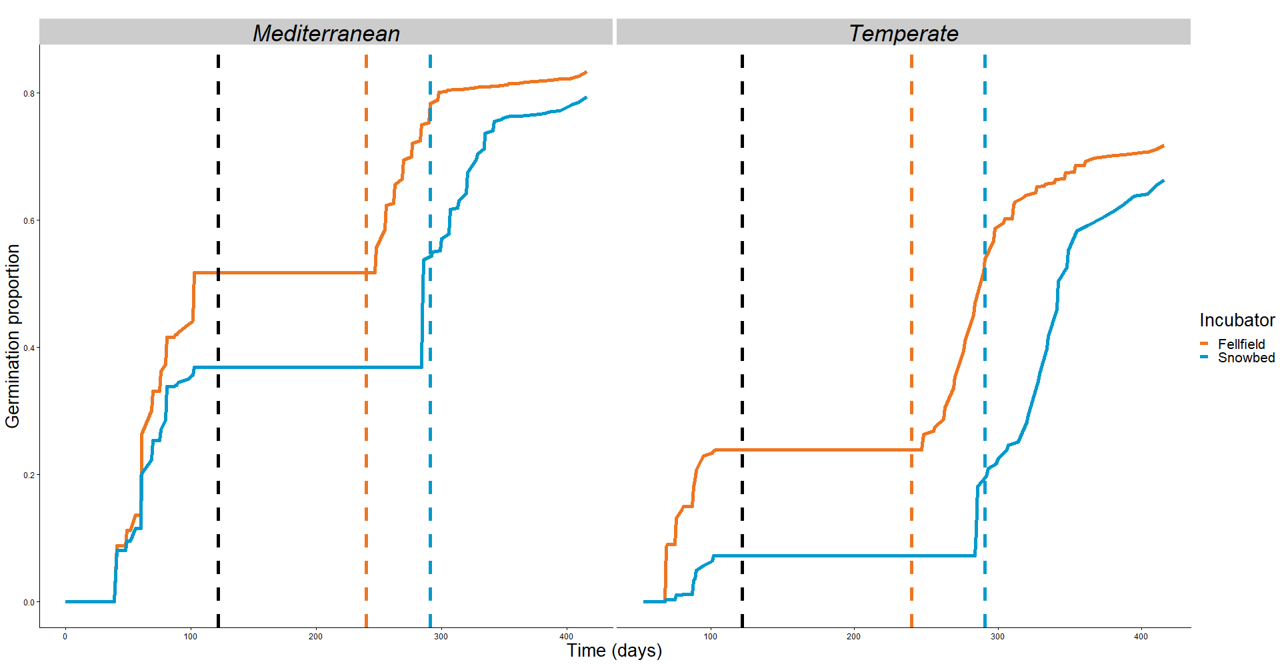
 |  |  |  |  |  |  |  |  |  |  |  |  |  |  | Appendix
 |  |  |  |  |  |  |  |  |  |  |  |  |  |  | cumulative, viable-cumulative ~ incubator * community * time
 |  |  |  |  |  |  |  |  |  |  |  |  |  |  | Dataset | all data (1st + 2nd sow)
 |  |  |  |  |  |  |  |  |  |  |  |  |  |  | Filter | Accessions with 0 germination + with less than 25% viable seeds
 |  |  |  |  |  |  |  |  |  |  |  |  |  |  |  | post.mean | L_95% CI | U_95% CI | eff.samp | pMCMC | signif
 |  |  |  |  |  |  |  |  |  |  |  |  |  |  | (Intercept) | -3.6282816 | -5.2215259 | -2.2318453 | 5640 | <1e-04 | ***
 |  |  |  |  |  |  |  |  |  |  |  |  |  |  | incubatorSnowbed | -1.0166743 | -1.2702446 | -0.7750432 | 9000 | <1e-04 | ***
 |  |  |  |  |  |  |  |  |  |  |  |  |  |  | macroclimateTemperate | -1.9832879 | -2.8784964 | -1.1560955 | 8010 | <1e-04 | ***
 |  |  |  |  |  |  |  |  |  |  |  |  |  |  | time | 0.0123504 | 0.011751 | 0.0129597 | 9000 | <1e-04 | ***
 |  |  |  |  |  |  |  |  |  |  |  |  |  |  | incubatorSnowbed:macroclimateTemperate | -2.2558477 | -2.6955538 | -1.8360732 | 9000 | <1e-04 | ***
 |  |  |  |  |  |  |  |  |  |  |  |  |  |  | incubatorSnowbed:time | 0.000932 | 0.0001449 | 0.0017278 | 9000 | 0.0216 | *
 |  |  |  |  |  |  |  |  |  |  |  |  |  |  | macroclimateTemperate:time | 0.0026853 | 0.0018082 | 0.0035969 | 8947 | <1e-04 | ***
 |  |  |  |  |  |  |  |  |  |  |  |  |  |  | incubatorSnowbed:macroclimateTemperate:time | 0.0047656 | 0.003431 | 0.006097 | 9000 | <1e-04 | ***

 |  |  |  |  |  |  |  |  |  |  |  |  |  |  | Phylo and random | Mean | lower | upper
 |  |  |  |  |  |  |  |  |  |  |  |  |  |  | lamba | 0.55 | 0.19 | 0.81
 |  |  |  |  |  |  |  |  |  |  |  |  |  |  | animal | 3.33 | 0 | 6.73
 |  |  |  |  |  |  |  |  |  |  |  |  |  |  | ID | 0.83 | 0 | 2.46
 |  |  |  |  |  |  |  |  |  |  |  |  |  |  | code:ID | 1.86 | 1.25 | 2.51

